Materials & BOM (JA design)
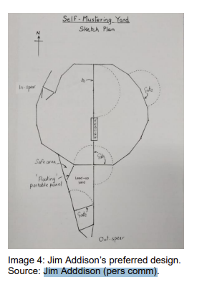
Item | Price/unit ($) | Qty | Wt/unit (kg) — est. | Material cost ($) | Total weight (kg) | Source/notes | See Trayard Factsheet | https://library.dpird.wa.gov.au/cgi/viewcontent.cgi?article=1046&context=ap_factsheets
Perimeter panel (Budget Blackline 2.1m) | $100.00 | 30 | 38.0 | $3,000.00 | 1,140 | CONFIRM PRICE
Spear trap gate (one-way entry) | $1,020.00 | 2 | 110.0 | $2,040.00 | 220 | CONFIRM PRICE
Access gate (Budget Blackline 2.1m) | $215.00 | 4 | 45.0 | $860.00 | 180 | CONFIRM PRICE
Connector pins (216mm) | $3.00 | 70 | 0.1 | $210.00 | 7 | CONFIRM PRICE
Corner/anchor lugs | $8.00 | 4 | 0.1 | $32.00 | 0 | CONFIRM PRICE

Note: no loading ramp, crush, forcing yard/laneway, or cattle grid included — this is the trap enclosure only. Add a crush/ramp line from the Brazzen price list if the trap needs to double as a working yard.

TOTAL |  |  |  | $6,142.00 | 1,547

WORKING (perimeter & quantities)
Yard area needed (m²)
Perimeter required (m)
Perimeter run taken by gates (m)
Remaining perimeter for panels (m)
Panels needed | 30
Total joints (panels + gates around perimeter) | 35

